Übersicht
Auswahl und Bereich

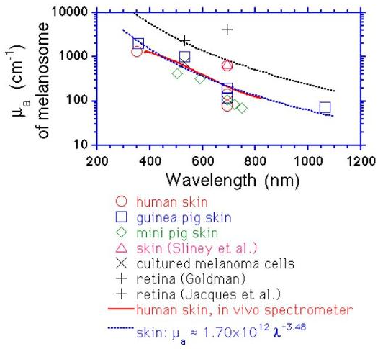
Melanin:

aus OMLC.Org |  | skin | µa=1.7E12 λ^-3,48

Bereich: 250..1100nm

Wasser:

aus OMLC.org
R. C. Smith and K. S. Baker, "Optical properties of the clearest natural
waters (200?800nm)," Appl. Opt., 20, 177--184, (1981).

Bereich: 250 .. 690nm

aus http://www.npsg.uwaterloo.ca/data/skin/water_absorption.m
% 380-725 nm
% R.M. Pope and E.S. Fry,
% "Absorption spectrum (380-700nm) of pure water. II.
% Integrating cavity measurements,"
% Applied Optics, V. 36, N. 33, pp. 8710-8723, November, 1997.
%
% 730-2500 nm
% K.F. Palmer and D. Williams,
% "Optical Properties of water in the near infrared,"
% Journal of the Optical Society of America, V.64, pp. 1107-1110,
% August, 1974.

Bereich: 700..1100nm

Fett

aus OMLC.org
% Original data source:
%
% 429-1098 nm
% R.L.P. van Veen and H.J.C.M. Sterenborg | A. Pifferi | A.
% Torricelli and R. Cubeddu | Determination of VIS- NIR absorption
% coefficients of mammalian fat | with time and spatially resolved
% diffuse reflectance and transmission spectroscopy
% OSA Annual BIOMED Topical Meeting | 2004
% Acquired by Oregon Medical Laser Center
% http://omlc.ogi.edu/spectra/fat/

Bereich: 429..1098nm

Hb/HbO2

OMLC.org und npsq gleiche Quelle (S.Prahl)

Bereich: 250..1000nm

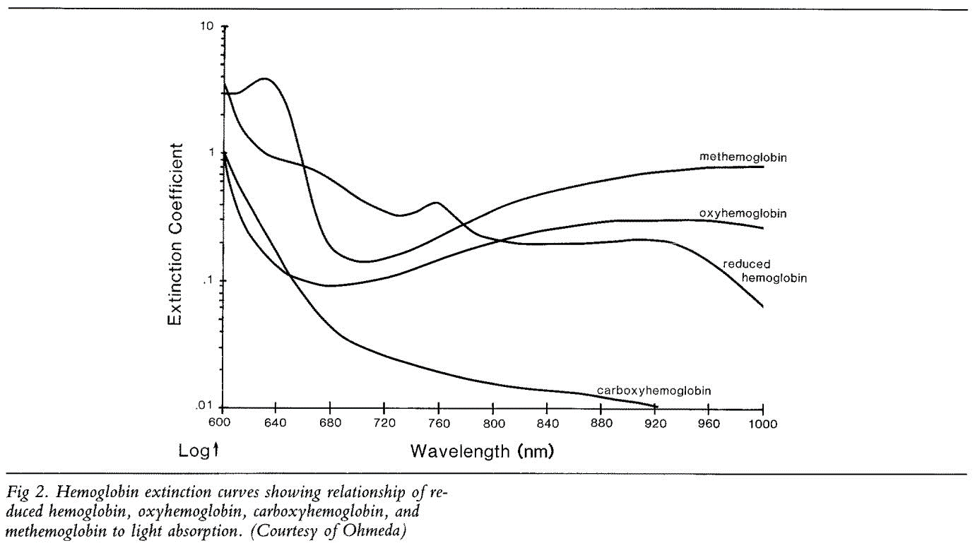
met Hb

%
% Original data source:
% L. Randeberg | J. Bonesronning | M. Dalaker | J. Nelson | L. Svaasand
% Methemoglobin formation during laser induced photothermolysis of
% vascular skin lesions. Lasers in Surgery and Medicine 34 (2004) | 414–419.

Bereich: 450..700nm |  |  | Bereich: 700..1000nm
 |  |  | Ohmeda -->

COHb

% Original data source:
% O. Siggaard-Andersen | B. Norgaard-Pedersen | J. Rem. Hemoglobin
% pigments spectrophotometric determination of oxy- | carboxy- | met-
% and sulfhemoglobin in capillary blood. Clinica Chimica Acta | 72(1)
19.72

Bereich: 450..650nm |  |  | Bereich:650..920nm
 |  |  | Ohmeda -->

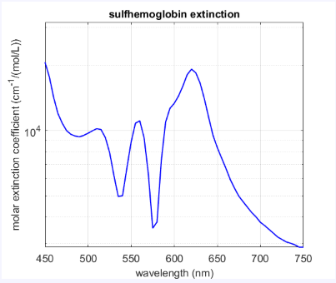
SHb

% Original data source:
%
% I. H. Yarynovska and A.I. Bilyi. Absorption spectra of sulfhemoglobin
% derivatives of human blood. In G.L. Cote and A.V. Priezzhev | editors
% Optical Diagnostics and Sensing VI - SPIE | 6094:1-6 | 2006

Bereich: 450..750nm

Bilirubin

% Original data source:
%
% H. Du | R. A. Fuh | J. Li | A. Corkan | J. S. Lindsey | "PhotochemCAD: A
% computer-aided design and research tool in photochemistry
% Photochemistry and Photobiology | 68 | 141-142 | 1998
%
% Published by Oregon Medical Laser Center
% http://omlc.ogi.edu/spectra/PhotochemCAD/html/bilirubin.html

Bereich: 240..700nm

Wasser Auswahl
 | H2O
200 | 0.0307
210 | 0.0199
220 | 0.0131
230 | 0.00927
240 | 0.0072
250 | 0.00559
260 | 0.00457
270 | 0.00373
280 | 0.00288
290 | 0.00215
300 | 0.00141
310 | 0.00105
320 | 0.000844
330 | 0.000678
340 | 0.000561
350 | 0.000463
360 | 0.000379
370 | 0.0003
380 | 0.00022
390 | 0.000191
400 | 0.000171
410 | 0.000162
420 | 0.000153
430 | 0.000144
440 | 0.000145
450 | 0.000145
460 | 0.000156
470 | 0.000156
480 | 0.000176
490 | 0.000196
500 | 0.000257
510 | 0.000357
520 | 0.000477
530 | 0.000507
540 | 0.000558
550 | 0.000638
560 | 0.000708
570 | 0.000799
580 | 0.00108
590 | 0.00157
600 | 0.00244
610 | 0.00289
620 | 0.00309
630 | 0.00319
640 | 0.00329
650 | 0.00349
660 | 0.004
670 | 0.0043
680 | 0.0045
690 | 0.005
...

Wasser Alle
 | 6 |  | 5 |  | 4 |  | 3 |  | 2 |  | 1 |  | 0 |  | npsq
247.2 | 0.0069 | 200 | 0.0307 | 196 | 0.0126 | 2632 | 193 | 382.5 | 0.000102 | 446.30 | 0.000238 | 2632 | 1.9300E+02 | 385 | 0.000094
252.0 | 0.0066 | 210 | 0.0199 | 197 | 0.00852 | 2564 | 111 | 385 | 0.000095 | 448.30 | 0.000233 | 2564 | 1.1100E+02 | 390 | 0.000085
256.8 | 0.0065 | 220 | 0.0131 | 198 | 0.00567 | 2500 | 95.7 | 387.5 | 0.000091 | 450.40 | 0.00023 | 2500 | 9.5700E+01 | 395 | 0.000081
261.8 | 0.0063 | 230 | 0.00927 | 199 | 0.00411 | 2439 | 63.5 | 390 | 0.000087 | 452.40 | 0.000227 | 2439 | 6.3500E+01 | 400 | 0.000066
266.8 | 0.0062 | 240 | 0.0072 | 200 | 0.00324 | 2381 | 41.8 | 392.5 | 0.000084 | 454.40 | 0.000221 | 2381 | 4.1800E+01 | 405 | 0.000053
272.0 | 0.0060 | 250 | 0.00559 | 201 | 0.00264 | 2326 | 29.3 | 395 | 0.000081 | 456.50 | 0.000214 | 2326 | 2.9300E+01 | 410 | 0.000047
277.2 | 0.0058 | 260 | 0.00457 | 202 | 0.0023 | 2273 | 23 | 397.5 | 0.00008 | 458.60 | 0.000213 | 2273 | 2.3000E+01 | 415 | 0.000044
282.6 | 0.0055 | 270 | 0.00373 | 203 | 0.00192 | 2198 | 19.3 | 400 | 0.00007 | 460.70 | 0.000211 | 2198 | 1.9300E+01 | 420 | 0.000045
288.0 | 0.0052 | 280 | 0.00288 | 204 | 0.00168 | 2128 | 23.6 | 402.5 | 0.000065 | 462.90 | 0.000206 | 2128 | 2.3600E+01 | 425 | 0.000048
293.6 | 0.0049 | 290 | 0.00215 | 205 | 0.00156 | 2083 | 31 | 405 | 0.00006 | 465.00 | 0.000206 | 2083 | 3.1000E+01 | 430 | 0.000049
299.3 | 0.0046 | 300 | 0.00141 | 206 | 0.0015 | 2041 | 45 | 407.5 | 0.000059 | 467.20 | 0.0002 | 2041 | 4.5000E+01 | 435 | 0.000053
305.0 | 0.0042 | 310 | 0.00105 | 207 | 0.0014 | 2000 | 69.2 | 410 | 0.000056 | 469.40 | 0.000205 | 2000 | 6.9200E+01 | 440 | 0.000063
310.9 | 0.0037 | 320 | 0.000844 | 208 | 0.00134 | 1961 | 109 | 412.5 | 0.000054 | 471.60 | 0.000184 | 1961 | 1.0900E+02 | 445 | 0.000075
316.9 | 0.0034 | 330 | 0.000678 | 209 | 0.00125 | 1927 | 124 | 415 | 0.000052 | 473.80 | 0.000177 | 1927 | 1.2400E+02 | 450 | 0.000092
323.0 | 0.0031 | 340 | 0.000561 | 210 | 0.00126 | 1887 | 57.5 | 417.5 | 0.000051 | 473.10 | 0.000179 | 1887 | 5.7500E+01 | 455 | 0.000096
329.2 | 0.0029 | 350 | 0.000463 | 211 | 0.00117 | 1852 | 10.8 | 420 | 0.000054 | 478.40 | 0.000186 | 1852 | 1.0800E+01 | 460 | 0.000098
335.6 | 0.0027 | 360 | 0.000379 | 212 | 0.00114 | 1818 | 9.44 | 422.5 | 0.000057 | 480.70 | 0.000186 | 1818 | 9.4400E+00 | 465 | 0.000101
342.1 | 0.0025 | 370 | 0.0003 | 213 | 0.0011 | 1802 | 9.48 | 425 | 0.000061 | 483.00 | 0.000184 | 1802 | 9.4800E+00 | 470 | 0.000106
348.7 | 0.0023 | 380 | 0.00022 | 214 | 0.00106 | 1786 | 9.18 | 427.5 | 0.00006 | 485.30 | 0.000181 | 1786 | 9.1800E+00 | 475 | 0.000114
355.4 | 0.0020 | 390 | 0.000191 | 215 | 0.00101 | 1754 | 7.6 | 430 | 0.000064 | 487.70 | 0.000186 | 1754 | 7.6000E+00 | 480 | 0.000127
362.2 | 0.0017 | 400 | 0.000171 | 216 | 0.000988 | 1724 | 6.23 | 432.5 | 0.000063 | 490.10 | 0.000189 | 1724 | 6.2300E+00 | 485 | 0.000136
369.2 | 0.0014 | 410 | 0.000162 | 217 | 0.000946 | 1695 | 5.65 | 435 | 0.000069 | 492.50 | 0.000193 | 1695 | 5.6500E+00 | 490 | 0.00015
376.4 | 0.0012 | 420 | 0.000153 | 218 | 0.000931 | 1667 | 5.65 | 437.5 | 0.00007 | 494.90 | 0.0002 | 1667 | 5.6500E+00 | 495 | 0.000173
383.6 | 0.0011 | 430 | 0.000144 | 219 | 0.000918 | 1639 | 6.07 | 440 | 0.000083 | 497.40 | 0.000216 | 1639 | 6.0700E+00 | 500 | 0.000204
391.0 | 0.0010 | 440 | 0.000145 | 220 | 0.000805 | 1613 | 6.8 | 442.5 | 0.000086 | 499.90 | 0.000233 | 1613 | 6.8000E+00 | 505 | 0.000256
398.6 | 0.0009 | 450 | 0.000145 | 221 | 0.000786 | 1587 | 8.07 | 445 | 0.000095 | 502.40 | 0.00025 | 1587 | 8.0700E+00 | 510 | 0.000325
406.2 | 0.0008 | 460 | 0.000156 | 222 | 0.000737 | 1563 | 9.68 | 447.5 | 0.000098 | 505.00 | 0.00027 | 1563 | 9.6800E+00 | 515 | 0.000396
414.1 | 0.0007 | 470 | 0.000156 | 223 | 0.000714 | 1538 | 12.1 | 450 | 0.00011 | 507.50 | 0.000288 | 1538 | 1.2100E+01 | 520 | 0.000409
422.1 | 0.0007 | 480 | 0.000176 | 224 | 0.0007 | 1515 | 15.6 | 452.5 | 0.000116 | 510.10 | 0.000313 | 1515 | 1.5600E+01 | 525 | 0.000417
430.2 | 0.0006 | 490 | 0.000196 | 225 | 0.00065 | 1493 | 21.7 | 455 | 0.00012 | 512.70 | 0.000348 | 1493 | 2.1700E+01 | 530 | 0.000434
438.5 | 0.0006 | 500 | 0.000257 | 226 | 0.000669 | 1471 | 28.5 | 457.5 | 0.000118 | 515.40 | 0.000365 | 1471 | 2.8500E+01 | 535 | 0.000452
447.0 | 0.0005 | 510 | 0.000357 | 227 | 0.000643 | 1443 | 31.7 | 460 | 0.000122 | 518.00 | 0.000375 | 1443 | 3.1700E+01 | 540 | 0.000474
455.6 | 0.0004 | 520 | 0.000477 | 228 | 0.000615 | 1429 | 31 | 462.5 | 0.000123 | 520.70 | 0.00038 | 1429 | 3.1000E+01 | 545 | 0.000511
464.4 | 0.0004 | 530 | 0.000507 | 229 | 0.0006 | 1408 | 21.5 | 465 | 0.000125 | 523.50 | 0.000387 | 1408 | 2.1500E+01 | 550 | 0.000565
473.3 | 0.0004 | 540 | 0.000558 | 230 | 0.000595 | 1389 | 9.13 | 467.5 | 0.000124 | 526.20 | 0.000397 | 1389 | 9.1300E+00 | 555 | 0.000596
482.4 | 0.0004 | 550 | 0.000638 | 231 | 0.000578 | 1370 | 5.45 | 470 | 0.00013 | 529.00 | 0.000409 | 1370 | 5.4500E+00 | 560 | 0.000619
491.8 | 0.0005 | 560 | 0.000708 | 232 | 0.000542 | 1351 | 3.87 | 472.5 | 0.000135 | 531.80 | 0.000427 | 1351 | 3.8700E+00 | 565 | 0.000642
501.2 | 0.0005 | 570 | 0.000799 | 233 | 0.000534 | 1333 | 2.25 | 475 | 0.000143 | 534.70 | 0.000439 | 1333 | 2.2500E+00 | 570 | 0.000695
510.9 | 0.0005 | 580 | 0.00108 | 234 | 0.000535 | 1316 | 1.67 | 477.5 | 0.000149 | 537.50 | 0.000453 | 1316 | 1.6700E+00 | 575 | 0.000772
520.8 | 0.0006 | 590 | 0.00157 | 235 | 0.000542 | 1299 | 1.34 | 480 | 0.000157 | 540.40 | 0.00048 | 1299 | 1.3400E+00 | 580 | 0.000896
530.8 | 0.0006 | 600 | 0.00244 | 236 | 0.00051 | 1282 | 1.13 | 482.5 | 0.00016 | 543.50 | 0.0005 | 1282 | 1.1300E+00 | 585 | 0.0011
541.0 | 0.0007 | 610 | 0.00289 | 237 | 0.000493 | 1266 | 1.07 | 485 | 0.000168 | 546.30 | 0.000528 | 1266 | 1.0700E+00 | 590 | 0.001351
551.5 | 0.0007 | 620 | 0.00309 | 238 | 0.000452 | 1250 | 1.11 | 487.5 | 0.000172 | 574.50 | 0.000805 | 1250 | 1.1100E+00 | 595 | 0.001672
562.1 | 0.0007 | 630 | 0.00319 | 239 | 0.000471 | 1235 | 1.17 | 490 | 0.000185 | 577.80 | 0.000899 | 1235 | 1.1700E+00 | 600 | 0.002224
573.0 | 0.0008 | 640 | 0.00329 | 240 | 0.000483 | 1220 | 1.22 | 492.5 | 0.000193 | 581.20 | 0.001007 | 1220 | 1.2200E+00 | 605 | 0.002577
584.0 | 0.0009 | 650 | 0.00349 | 241 | 0.000468 | 1205 | 1.25 | 495 | 0.000213 | 584.60 | 0.001107 | 1205 | 1.2500E+00 | 610 | 0.002644
595.3 | 0.0011 | 660 | 0.004 | 242 | 0.000439 | 1190 | 1.25 | 497.5 | 0.000228 | 588.00 | 0.001232 | 1190 | 1.2500E+00 | 615 | 0.002678
606.7 | 0.0013 | 670 | 0.0043 | 243 | 0.000419 | 1176 | 1.23 | 500 | 0.000242 | 591.50 | 0.001377 | 1176 | 1.2300E+00 | 620 | 0.002755
618.4 | 0.0017 | 680 | 0.0045 | 244 | 0.000405 | 1163 | 1.18 | 502.5 | 0.000272 | 595.00 | 0.001589 | 1163 | 1.1800E+00 | 625 | 0.002834
630.4 | 0.0021 | 690 | 0.005 | 245 | 0.000392 | 1149 | 0.97 | 505 | 0.0003 | 598.60 | 0.001925 | 1149 | 9.7000E-01 | 630 | 0.002916
...

Fett Alle
 | OMLC |  | NPSQ
429 | 0.0828 | 430 | 0.08216
430 | 0.08216 | 431 | 0.08158
431 | 0.08158 | 432 | 0.08069
432 | 0.08069 | 433 | 0.07927
433 | 0.07927 | 434 | 0.07832
434 | 0.07832 | 435 | 0.07721
435 | 0.07721 | 436 | 0.07652
436 | 0.07652 | 437 | 0.07623
437 | 0.07623 | 438 | 0.0756
438 | 0.0756 | 439 | 0.07474
439 | 0.07474 | 440 | 0.07383
440 | 0.07383 | 441 | 0.07244
441 | 0.07244 | 442 | 0.07104
442 | 0.07104 | 443 | 0.07
443 | 0.07 | 444 | 0.06899
444 | 0.06899 | 445 | 0.06811
445 | 0.06811 | 446 | 0.06729
446 | 0.06729 | 447 | 0.06659
447 | 0.06659 | 448 | 0.06571
448 | 0.06571 | 449 | 0.06464
449 | 0.06464 | 450 | 0.06375
450 | 0.06375 | 451 | 0.06291
451 | 0.06291 | 452 | 0.0621
452 | 0.0621 | 453 | 0.06135
453 | 0.06135 | 454 | 0.06049
454 | 0.06049 | 455 | 0.0595
455 | 0.0595 | 456 | 0.05837
456 | 0.05837 | 457 | 0.05751
457 | 0.05751 | 458 | 0.05663
458 | 0.05663 | 459 | 0.05593
459 | 0.05593 | 460 | 0.05523
460 | 0.05523 | 461 | 0.05413
461 | 0.05413 | 462 | 0.05288
462 | 0.05288 | 463 | 0.05144
463 | 0.05144 | 464 | 0.04985
464 | 0.04985 | 465 | 0.04846
465 | 0.04846 | 466 | 0.0472
466 | 0.0472 | 467 | 0.04594
467 | 0.04594 | 468 | 0.04513
468 | 0.04513 | 469 | 0.04434
469 | 0.04434 | 470 | 0.04327
470 | 0.04327 | 471 | 0.04208
471 | 0.04208 | 472 | 0.04084
472 | 0.04084 | 473 | 0.03961
473 | 0.03961 | 474 | 0.03843
474 | 0.03843 | 475 | 0.03732
475 | 0.03732 | 476 | 0.03635
476 | 0.03635 | 477 | 0.03534
477 | 0.03534 | 478 | 0.03452
478 | 0.03452 | 479 | 0.03386
...

